Data
Estimating Pandemic Impact

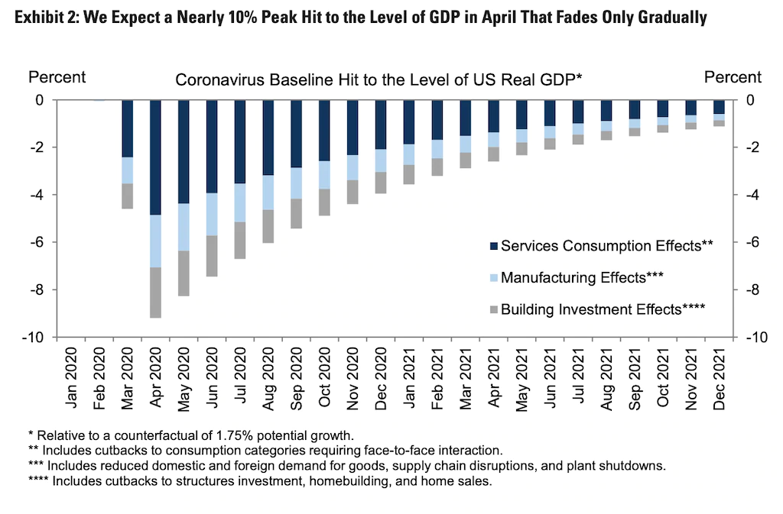
Month | GDP Impact | GDP Prediction
Jan-20 | 0% | 1.75%
Feb-20 | 0% | 1.75%
Mar-20 | -4.70% | -2.95%
Apr-20 | -9.20% | -7.45%
May-20 | -8.30% | -6.55%
Jun-20 | -7.70% | -5.95%
Jul-20 | -6.80% | -5.05%
Aug-20 | -6.00% | -4.25%
Sep-20 | -5.30% | -3.55%
Oct-20 | -4.90% | -3.15%
Nov-20 | -4.30% | -2.55%
Dec-20 | -4% | -2.25%
Jan-21 | -3.40% | -1.65%
Feb-21 | -3.10% | -1.35%
Mar-21 | -2.90% | -1.15%
Apr-21 | -2.60% | -0.85%
May-21 | -2.40% | -0.65%
Jun-21 | -2.10% | -0.35%
Jul-21 | -1.90% | -0.15%
Aug-21 | -1.80% | -0.05%
Sep-21 | -1.60% | 0.15%
Oct-21 | -1.30% | 0.45%
Nov-21 | -1.10% | 0.65% | Counterfactual GDP Growth Rate:
Dec-21 | -1.00% | 0.75% | 1.75%
 |  |  | From image caption above

